Sheet1
 | pipeNominalOD |  | 0.127 | m
 | pipeNominalWT |  | 0.0127 | m
 | pipeMinimumWT |  | 0.005875 | m
 | pipeNominalID |  | 0.1016 | m
 | pipeExternalPressure |  | 0
 | pipeInternalPressure |  | 4.14E+07
 | pipeTensionEffective |  | 0 | N
 | pipeMoment |  | 0
 | pipeYieldStrength |  | 5.52E+08

 | pipeMinimumID |  | 0.11525 | m

 | pipeA |  | 0.0022355867847 | m^2
 | pipeAi |  | 0.010432100193 | m^2
 | pipeAo |  | 0.012667686977 | m^2

 | pipeI |  | 4.1095062777E-06 | m^4

 | pipeTensionTrue |  | 431575.98497 | N

 |  |  | -19681702.786 | Pa

 |  |  | 4.06E+08 | Pa

 | T/A |  | 193048191.16
 | M/2I |  | 0

 |  |  | 193048191.16 |  | Considering Addition

 |  |  | 193048191.16 |  | Considering Subtraction

 |  |  | 0.70710678119

 |  |  | 2.7152404667E+17

 |  |  | 368458984.6 | Pa |  | L.H.S of Equation(5)

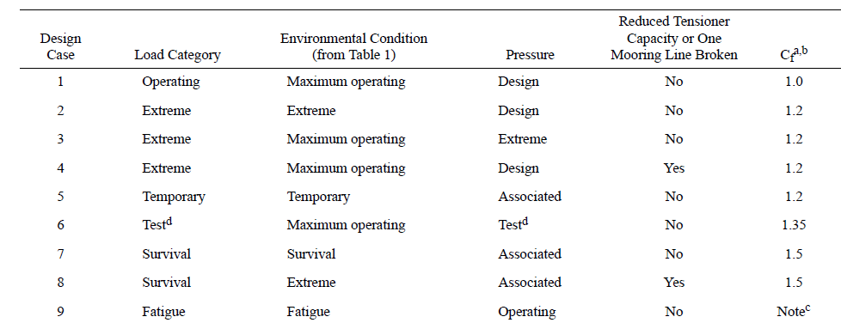

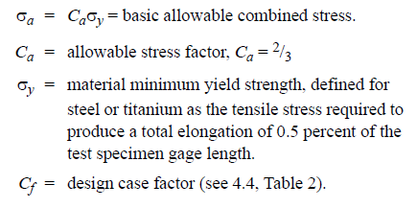

Cf |  | 1.5 |  | Considering Survival load category

 |  |  | 3.68E+08

 |  |  | 5.52E+08 | Pa | R.H.S of Equation(5)

